Using the RTM
Using the Requirements and Traceability Template

Click the button to perform the specified action.
Document and Track Assumptions

Determine
Requirements
Enter High-level
Requirements
Enter Product Requirements
Track Requirements
Record Updates to Requirements
Requirements Definitions and Categories

 | Ensure that the RTM is placed under Version Control
* Refer to the Configuration Management (CM) Plan or Project Plan for more detailed information on Requirements Management. Ensure that the RTM is put under version control.
Name of Action | How to Perform Action | Related Field
Determine Requirements (High-level Requirements and Product Requirements Worksheets) | Use the project's Statement of Work (SOW) and/or High-level requirements gathering sessions to determine the requirements that the project is responsible for implementing. The types of requirements are shown in Figure 1 below. | Requirements Definitions and Categories

Enter High-level Requirements (High-level Requirements worksheet) | These are created in Plan stage. Enter the high-level requirements on the High-level Requirements worksheet. Complete the following steps for each high-level requirement:
 | Enter the Project Name. Use the official project title. | Go to Project Name.
 | Enter a Project Stage. Enter project stage of work. | Go to Project Stage.
 | Enter a High-level Requirement ID using the project's standard. Enter each requirement on a new row. Number High-level Requirements in whole numbers 1, 2, 3, ... and then number Product Requirements in such a way to establish bidirectional traceability (to easily trace back to high-level requirement and vice-versa). E.g. for a high-level requirement that is assigned number 3, the corresponding product requirements should be numbered as 3.1, 3.2, 3.3, ... etc. For product requirement 3.1, more detailed product requirements may be numbered as 3.1.1, 3.1.2, etc. | Go to High-level Requirement ID.
 | Enter a Business Topic using the project's standard. Refer to the TOC worksheet to find the Business Topic that is appropriate for each Requirement ID. Copy the Business Topic from the TOC worksheet to the Business Topic field on the High-level Requirements and the Product Requirements worksheets. For example: Requirement ID Business Topic 1 Application Functionality 2 Customer Support 3 Usability Continue numbering for other business topics (see TOC worksheet for details). | Go to Business Topic.
 | The project can modify the types of Requirement IDs that can be entered and the Business Topics that these requirements are mapped to by updating the TOC worksheet. To update the TOC worksheet, click on the TOC Worksheet hyperlink. | Go to the TOC Worksheet.
 | Enter the requirement Priority. This can be L, M, or H (Low, Medium, or High): Priority High (H) is the one which is Critical – cannot live without Priority Medium (M) is the one which is Important – not critical but strongly desired by stakeholders Priority Low (L) is the one which is Optional – nice to have. | Go to Priority.
 | Enter The Release Number that will include this high-level requirement. Ensure that the RTM is put under version control so that older versions of requirements can be retrieved. Also, make updates as appropriate to Requirement Name, Short Description, and Long Description columns. | Go to Release Number
 | Enter a Description of the requirement. | Go to Description.
 | Enter a Requirement Source, such as "SOW" for a requirement that came from the Statement of Work or "JAD Session - 11/20/2005" for a requirement that resulted from a Joint Application Development session on November 20, 2005. | Go to Requirements Source
 | Enter the Business/Process Area to which the requirements belong to, such as Billing or Customer Service Design | Go to Business/ Process Area
 | Enter the Status. The status can be Approved, Rejected, Deferred, In-Progress. Choose from the list. | Go to Status
 | Enter the Owner of the requirement, stakeholder such as a team or person. | Go to Owner.
 | Enter Change Request ID, if appropriate. | Go to Change Request ID.
 | Enter Notes, as necessary. | Go to Notes.
Enter Product Requirements (Product Requirements worksheet) | These are created in Analyze stage. Enter the product requirements on the Product Requirements worksheet. Complete the following steps for each product requirement:
 | Enter the Project Name. Use the official project title. | Go to Project Name.
 | Enter a Project Stage. Enter project stage of work. | Go to Project Stage.
 | Enter a Requirement ID using the project's standard. Enter each requirement on a new row. Number High-level Requirements in whole numbers 1, 2, 3, ... and then number Product Requirements in such a way to establish bidirectional traceability (to easily trace back to high-level requirement and vice-versa). E.g. for a high-level requirement that is assigned number 3, the corresponding product requirements should be numbered as 3.1, 3.2, 3.3, ... etc. For product requirement 3.1, more detailed product requirements may be numbered as 3.1.1, 3.1.2, etc. | Go to Requirement ID.
 | Enter a Business Topic using the project's standard. Refer to the TOC worksheet to find the Business Topic that is appropriate for each Requirement ID. Copy the Business Topic from the TOC worksheet to the Business Topic field on the High-level Requirements and the Product Requirements worksheets. For example: Requirement ID Business Topic 1 Application Functionality 2 Customer Support 3 Usability Continue numbering for other business topics (see TOC worksheet for details) | Go to Business Topic.
 | The project can modify the types of Requirement IDs that can be entered and the Business Topics that these requirements are mapped to by updating the TOC worksheet. To update the TOC worksheet, click on the TOC Worksheet hyperlink. | Go to the TOC Worksheet.
 | Enter a Requirement Name. | Go to Requirement Name.
 | Enter a Short Description of the requirement. | Go to Short Description.
 | Enter a Requirement Type. Choose from the list | Go to Requirement Type.
 | Enter Requirement Sub-Type. Choose from the List (if applicable - this only applies to Technical and Application requirements). | Go to Requirement Sub-Type
 | Enter the requirement Priority. This can be L, M, or H (Low, Medium, or High): Priority High (H) is the one which is Critical – cannot live without Priority Medium (M) is the one which is Important – not critical but strongly desired by stakeholders Priority Low (L) is the one which is Optional – nice to have. | Go to Priority.
 | Enter The Release Number that will include this product requirement. Ensure that the RTM is put under version control so that older versions of requirements can be retrieved. Also, make updates as appropriate to Requirement Name, Short Description, and Long Description columns. | Go to Release Number
 | Enter a Long Description of the requirement | Go to Long Description.
 | Enter a Requirement Source, such as "SOW" for a requirement that came from the Statement of Work or "JAD Session - 11/20/2005" for a requirement that resulted from a Joint Application Development session on November 20, 2005. | Go to Requirements Source
 | Enter the Business/ Process Area to which the requirements belong to, such as Billing or Customer Service Design | Go to Business/ Process Area
 | Enter the Status. The status can be Approved, Rejected, Deferred, In-Progress. Choose from the list. | Go to Status
 | Enter the Owner of the requirement, stakeholder such as a team or person. | Go to Owner.
 | Enter Change Request ID, if appropriate. | Go to Change Request ID.
 | Enter Notes, as necessary. | Go to Notes.

Requirements Traceability Matrix (RTM - Lifecycle Tracking worksheet) | The following fields on the RTM - Lifecycle Tracking worksheet have been pre-populated: Project Name Project Stage Requirement ID Short Description To provide for requirements bi-traceability, the project may enter multiple rows for each.
 | To track requirements through the systems development lifecycle, complete the following information for each requirement:
 | Enter the Release Number that will include this requirement. Ensure that the RTM is put under version control so that older versions of requirements can be retrieved. Also, make updates as appropriate to Requirement Name, Short Description, and Long Description columns. | Go to Release Number
 | Enter the Priority of the requirement. Use H for high priority, M for medium priority, and L for low priority. | Go to Priority.
 | Enter the High-level Requirement ID to create traceability to high-level requirements. If a corresponding high-level requirement does not exist, put in the SOW Reference. | Go to High-level requirement ID or SOW or B/U Reference.
 | For the Analyze Stage:
 | For the Application workstream provide associated deliverable details to track the requirements through the analyze stage. List the names or the IDs that identify the analysis documents that resulted from the requirements. | Go to Analyze Stage - Application
 | For the Technical Architecture workstream provide associated deliverable details to track the requirements through the analyze stage. List the names or the IDs that identify the analysis documents that resulted from the requirements. | Go to Analyze Stage - Technical Architecture
 | For the Design Stage:
 | For the Application workstream provide associated deliverable details to track the requirements through the design stage. List the names or the IDs that identify the analysis documents that resulted from the requirements. | Go to Design Stage - Application
 | For the Technical Architecture workstream provide associated deliverable details to track the requirements through the design stage. List the names or the IDs that identify the analysis documents that resulted from the requirements. | Go to Design Stage - Technical Architecture
 | For the Test workstream provide associated deliverable details to track the requirements through the design stage. List the names or the IDs that identify the analysis documents that resulted from the requirements. | Go to Design Stage - Test
 | For the Build Stage:
 | For the Application workstream provide associated deliverable details to track the requirements through the build stage. List the names or the IDs that identify the analysis documents that resulted from the requirements. | Go to Build Stage - Application
 | For the Test workstream provide associated deliverable details to track the requirements through the build stage. List the names or the IDs that identify the analysis documents that resulted from the requirements. | Go to Build Stage - Test
Document and Track Assumptions (Assumptions worksheet) | These will be created throughout the lifecycle of the project. Enter the assumptions made by the project and track them on the Assumptions worksheet.
 | The Project Stage field will be pre-populated. | Go to Project Stage
 | Enter an Assumption ID using the project's standard. Enter each assumption on a new row. | Go to Assumption ID
 | Enter the details of the Assumption. | Go to Assumption
 | Enter the Stage of the project lifecycle when the assumption has been made. | Go to Stage
 | Enter the Status of the assumption to indicate if the assumption is still applicable. | Go to Status
 | For assumptions which have been invalidated, specify the Requirement ID(s) which replace it. | Go to Requirement ID
 | Enter the Date the assumption has been made, or invalidated. | Go to Date

Record Updates to Requirements (High-level Requirements and Product Requirements worksheet) | As referenced in the project's CM Plan or Project Plan, controlling changes to requirements is a large part of the ensuring the requirement's integrity. To track changes to the project's requirements, enter the Change Request ID of the change request that has been approved to modify the requirement. | Go to Change Request ID (High-level Requirements)
 | Ensure that the RTM is put under version control so that older versions of requirements can be retrieved. Also, make updates as appropriate to Requirement Name, Short Description, and Long Description columns. | Go to Change Request ID (Product Requirements)
Requirements Definitions and Categories | All requirements, including the high-level requirements created in the Plan stage and more detailed product and product component requirements created in Application, Technical Architecture, Training and Performance Support, Service Introduction, and Deploy workstreams, need to be collected, documented, verified, analyzed, prioritized, validated and accepted by the stakeholders, baselined, and put under appropriate levels of configuration management. The types of requirements are shown in Figure 1 below:
 | 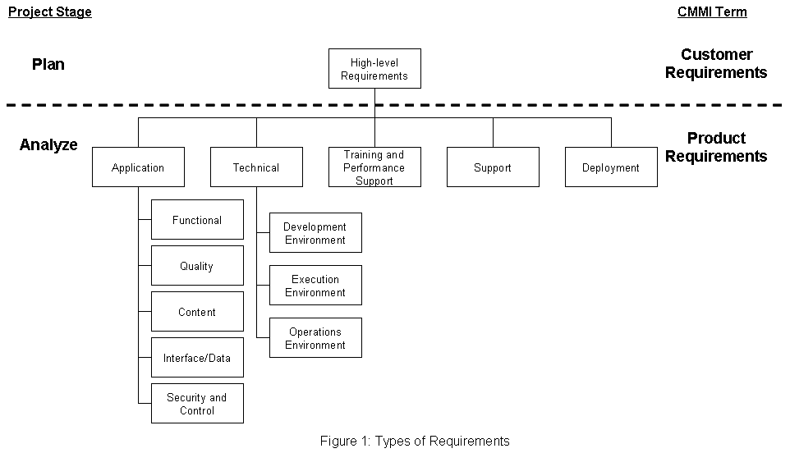

Generate CSV for import to Requisite Pro | Click on the Generate CSV button to copy the High-level Requirements and Product Requirements to the CSV tabs in a format which can be imported into Requisite Pro.
Create Requisite Pro Upload Template (ReqPro Upload App) | Click on the ReqPro Upload App worksheet and use Save As… to save this tab as a CSV file. During the save process Excel will state that you cannot save multiple tabs as a CSV file and will ask if it is desired to save only the active tab as a CSV file. Choose Yes. | Go To ReqPro Upload App

Create Requisite Pro Upload Template (ReqPro Upload Dep) | Click on the ReqPro Upload Dep worksheet and use Save As… to save this tab as a CSV file. During the save process Excel will state that you cannot save multiple tabs as a CSV file and will ask if it is desired to save only the active tab as a CSV file. Choose Yes. | Go To ReqPro Upload Dep

Create Requisite Pro Upload Template (ReqPro Upload HiL) | Click on the ReqPro Upload HiL worksheet and use Save As… to save this tab as a CSV file. During the save process Excel will state that you cannot save multiple tabs as a CSV file and will ask if it is desired to save only the active tab as a CSV file. Choose Yes. | Go To ReqPro Upload HiL

Create Requisite Pro Upload Template (ReqPro Upload Sup) | Click on the ReqPro Upload Sup worksheet and use Save As… to save this tab as a CSV file. During the save process Excel will state that you cannot save multiple tabs as a CSV file and will ask if it is desired to save only the active tab as a CSV file. Choose Yes. | Go To ReqPro Upload Sup

Create Requisite Pro Upload Template (ReqPro Upload Tec) | Click on the ReqPro Upload Tec worksheet and use Save As… to save this tab as a CSV file. During the save process Excel will state that you cannot save multiple tabs as a CSV file and will ask if it is desired to save only the active tab as a CSV file. Choose Yes. | Go To ReqPro Upload Tec

Create Requisite Pro Upload Template (ReqPro Upload TPS) | Click on the ReqPro Upload TPS worksheet and use Save As… to save this tab as a CSV file. During the save process Excel will state that you cannot save multiple tabs as a CSV file and will ask if it is desired to save only the active tab as a CSV file. Choose Yes. | Go To ReqPro Upload TPS

!!! Delete all these boxed instructions in the final version of your RTM !!!

